Automate This
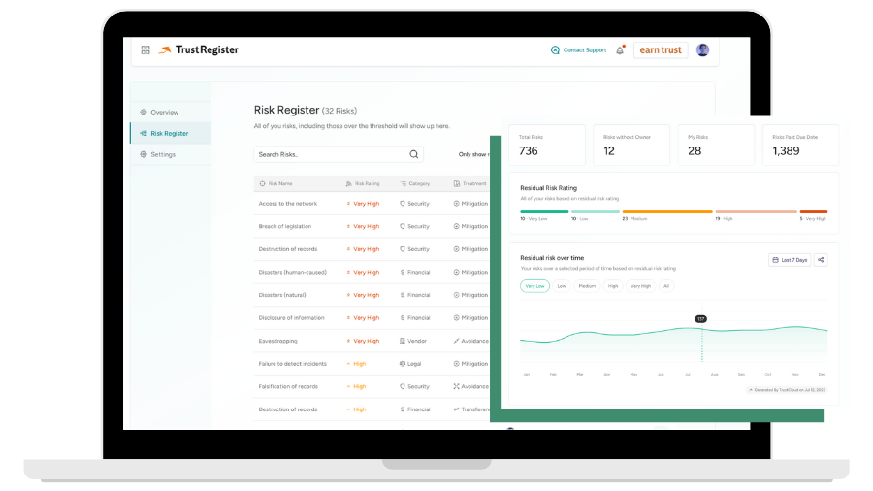 Ready to activate real-time risk management? Book time with a risk expert to see how TrustRegister can help you reduce liability and manual work. ✅ See control and risk status in real-time ✅ Access programmatic risk assessments ✅ Simplify risk-workflows with automation ✅ Get revenue impact and progression reports SCHEDULE TIME

